documentation
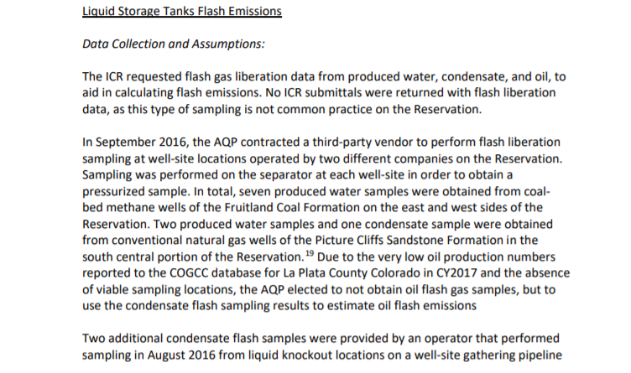
These are from pages 46&47 from the report:
 | (posted at https://www.southernute-nsn.gov/wp-content/uploads/sites/15/2019/12/191203-SUIT-CY2017-Emissions-Inventory-Report-FINAL.pdf)

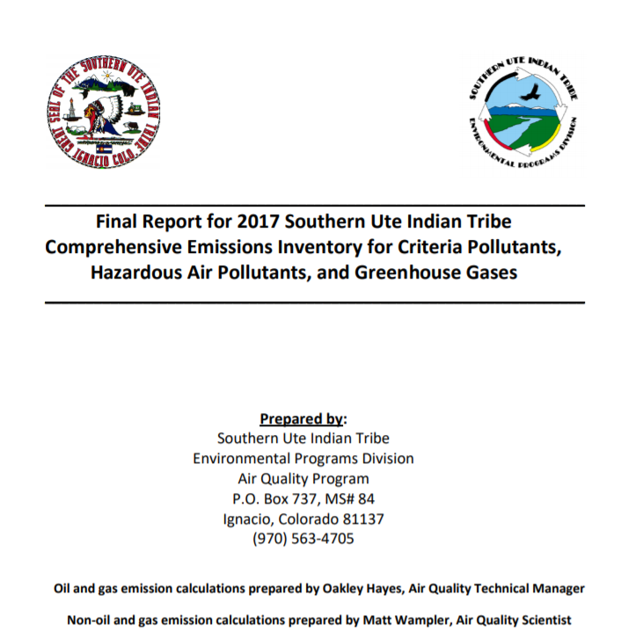

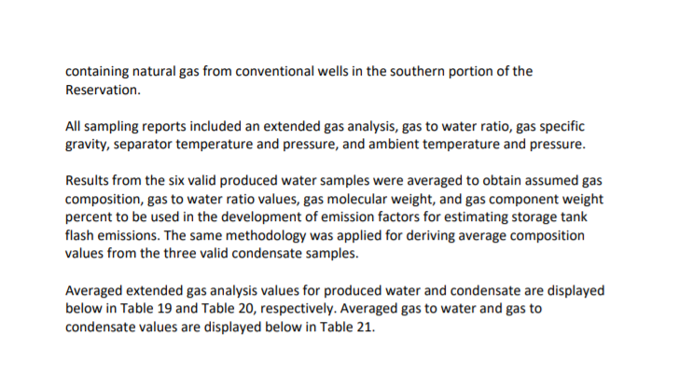

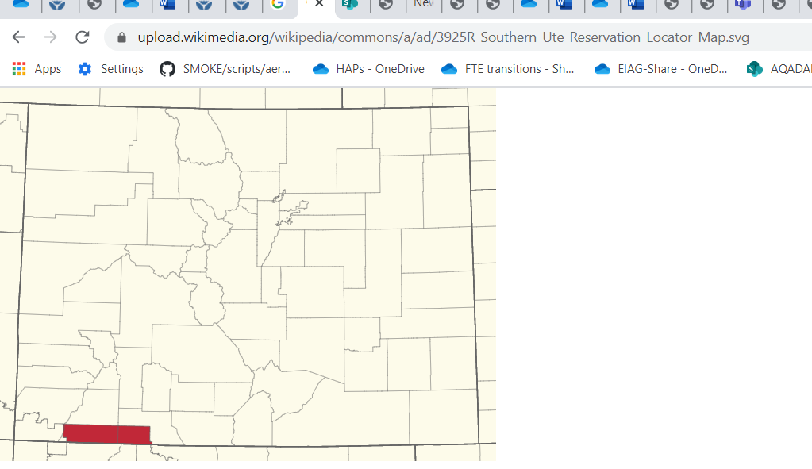

email correspondence
From: Hayes, Oakley <ohayes@southernute-nsn.gov>
Sent: Tuesday, November 24, 2020 12:04 PM
To: Strum, Madeleine <Strum.Madeleine@epa.gov>; mwampler@southernute-nsn.gov
Cc: Vukovich, Jeffrey <Vukovich.Jeffrey@epa.gov>; Snyder, Jennifer <Snyder.Jennifer@epa.gov>; Diem, Art <Diem.Art@epa.gov>
Subject: RE: [EXTERNAL] Emissions Inventory question: nonpoint oil and gas emissions submittal for 2017 NEI, SCC 2310030300

Ms. Strum,

We are happy to see that EPA will be using the Reservation-specific data. The reference “Air Pollution Testing, Inc. (2016, September). Southern Ute Indian Reservation Flash Liberation Analyses.” is our actual samples. Unfortunately, since this documentation has information specific to tribal wellsites, we would need to get approval from our Tribal Council to share them. If you are curious about the analysis, the analytical procedures for our flash liberation samples were taken from GPA 2286-95.

Methanol is used in the natural gas industry to prevent gas hydrate formation downhole, to prevent surfactants from freezing during well injection, and as an antifreeze for valves and various equipment, but to my knowledge it is not a product of natural gas production. The weight and mol percentages show all constituents of the liquid samples and add up to 100% so I would not believe that any methanol is present in the produced water or condensate. For more information on methanol and solvent use in the oil and gas field on the Reservation, you may want to reach out to an oil and gas company such as BP America Production Company or Hilcorp Energy Company.

Oakley Hayes
Air Quality Technical Manager
Southern Ute Indian Tribe
970-563-2244

From: Strum, Madeleine <Strum.Madeleine@epa.gov>
Sent: Tuesday, November 24, 2020 7:58 AM
To: Wampler, Matt <mwampler@southernute-nsn.gov>
Cc: Vukovich, Jeffrey <Vukovich.Jeffrey@epa.gov>; Snyder, Jennifer <Snyder.Jennifer@epa.gov>; Hayes, Oakley <ohayes@southernute-nsn.gov>; Diem, Art <Diem.Art@epa.gov>
Subject: RE: [EXTERNAL] Emissions Inventory question: nonpoint oil and gas emissions submittal for 2017 NEI, SCC 2310030300

Hi Matt

Thanks for all your help. We plan on using the speciation data and the documentation of them from this report that Jeff Vukovich sent to me: https://www.southernute-nsn.gov/wp-content/uploads/sites/15/2019/12/191203-SUIT-CY2017-Emissions-Inventory-Report-FINAL.pdf
(Tables 19 and 20) to create 2 profiles for SPECIATE (we will use the “average” column) and we will put it into the next version of SPECIATE (which will be 5.2)

1. Produced Water Flash Gas - Southern Ute Reservation
2. Condensate Tank Flash Gas - Southern Ute Reservation
And we will use them in our modeling platform for speciation. Although the VOC emissions from the produced water and condensate tank are relatively small, it is good to have region-specific data based on actual testing.

Do you have the reference “Air Pollution Testing, I. (2016, September). Southern Ute Indian Reservation Flash Liberation Analyses.” as it may provide more information on the testing that was done on these flash gases?

Also, do you know why there was no methanol in the produced water analyses? Was it because methanol was not targeted in the analysis (i.e., it could be there but it wasn’t looked for?) We have identified methanol as a key solvent used for oil and gas operations as discussed at the last National Oil and Gas call. As discussed, we are considering using the produced water SCCs to capture the emissions of the solvents (mainly methanol). We would be interested in any information you have on solvent use and where it may end up for the operations on the Southern Ute Indian Reservation.

Thank you

Madeleine

Madeleine Strum
U.S. Environmental Protection Agency|109 TW Alexander Drive, RTP, NC 27711
Office of Air Quality Planning and Standards|Air Quality Assessment Division|Emission Inventory and Analysis Group
919 541 2383 (office phone)

From: Wampler, Matt <mwampler@southernute-nsn.gov>
Sent: Friday, November 20, 2020 5:22 PM
To: Strum, Madeleine <Strum.Madeleine@epa.gov>
Cc: Vukovich, Jeffrey <Vukovich.Jeffrey@epa.gov>; Snyder, Jennifer <Snyder.Jennifer@epa.gov>; Hayes, Oakley <ohayes@southernute-nsn.gov>
Subject: RE: [EXTERNAL] Emissions Inventory question: nonpoint oil and gas emissions submittal for 2017 NEI, SCC 2310030300

Hi Ms. Strum,

In order to develop accurate speciation profiles for flash gas emissions associated with condensate and produced water tanks on the Reservation, the AQP obtained site-specific pressurized liquid samples and had flash liberation analyses completed for the sample array. The AQP averaged these results to develop Reservation-specific flash gas profiles and to calculate Reservation-specific emission factors for condensate and produced water. The flash gas speciation profiles (direct measurement of emissions from the liquids found on the Reservation) are attached.

At this time, reporting nonpoint emissions as point emissions is not possible. The AQP does not have data on a site-specific level for these sources. The nonpoint emissions are from sources with emissions below the TMNSR thresholds. Typically, these sources are small well sites with very limited equipment. There are more than 2500 of these sources located throughout the Reservation and reporting emissions from all of these sites would be a greater task than what the AQP can take on at this point.

Let me know if you have any additional questions,

Matt Wampler
Air Quality Scientist
Environmental Programs Division
Southern Ute Indian Tribe
Phone: (970) 563-2202
Fax: (970) 563-0384

From: Strum, Madeleine <Strum.Madeleine@epa.gov>
Sent: Friday, November 20, 2020 2:25 PM
To: Wampler, Matt <mwampler@southernute-nsn.gov>
Cc: Vukovich, Jeffrey <Vukovich.Jeffrey@epa.gov>; Snyder, Jennifer <Snyder.Jennifer@epa.gov>; Hayes, Oakley <ohayes@southernute-nsn.gov>
Subject: RE: [EXTERNAL] Emissions Inventory question: nonpoint oil and gas emissions submittal for 2017 NEI, SCC 2310030300

Matt,
Thanks for the information and for your offer of assistance! Jeff Vukovich is leading the sector and he is cc’d on this email.

Again, my questions relate to HAPs and speciation profile assignments. I was reviewing some of the Oil and Gas speciation assignments for the produced-water related SCCs since, as you may be aware, we are updating our volatile chemical products (VCP) approach (formerly called “Solvents”) and one of the subsectors is the use of solvents in oil and gas which would be captured in produced water emissions.

While doing that I came across the SCC which has been the subject of these emails. Here is what was reported:
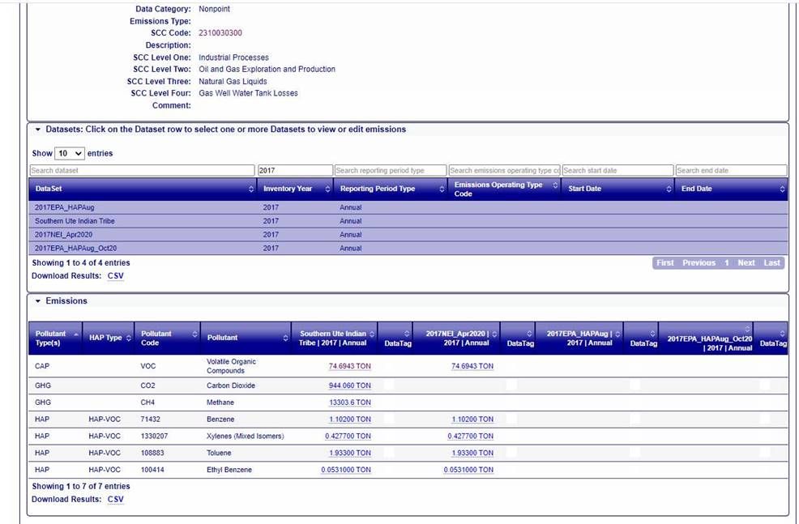
I think for purposes of modeling, since these are nonpoint emissions, we may lump them (and other nonpoint SCCs) into some Colorado counties, (Jeff would know) but we need to make sure we do not use a flare speciation profile for Southern Ute SCCs since you indicate these do not have controls. This is great information so thank you!. It really helps that you also report HAPs with the VOC.

I have 2 follow up questions

1. Do you have other specific species that are not HAPs (ethane, propane, butane etc.)? Possibly we can create a Southern Ute – specific speciation profile to use for these emissions.

2. Is it possible to report the nonpoint oil and gas as point sources (this and other oil and gas SCCs you report to the nonpoint data category) or do you not have the data at that level of detail?

Madeleine

Madeleine Strum
U.S. Environmental Protection Agency|109 TW Alexander Drive, RTP, NC 27711
Office of Air Quality Planning and Standards|Air Quality Assessment Division|Emissions Inventory and Analysis Group
919 541 2383 (office phone)

From: Wampler, Matt <mwampler@southernute-nsn.gov>
Sent: Thursday, November 19, 2020 11:24 AM
To: Strum, Madeleine <Strum.Madeleine@epa.gov>
Cc: Vukovich, Jeffrey <Vukovich.Jeffrey@epa.gov>; Snyder, Jennifer <Snyder.Jennifer@epa.gov>; Hayes, Oakley <ohayes@southernute-nsn.gov>
Subject: RE: [EXTERNAL] Emissions Inventory question: nonpoint oil and gas emissions submittal for 2017 NEI, SCC 2310030300

Ms. Sturm,

Nearly all tanks on the Southern Ute Indian Reservation are uncontrolled. This is largely due to the coalbed methane and conventional natural gas production in the Northern San Juan Basin (NSJB) having significantly lower VOC emissions than the conventional oil and gas production found in other geologic basins, such as in the Denver Julesburg (DJ) Basin.

For this reason the AQP is requesting the EPA not use condensate profiles/emission factors from the DJ basin. Condensate production is very limited in the NSJB and using this profile would significantly overinflate emission estimates for the Reservation.

The AQP is willing to assist the EPA in developing a methodology for calculating accurate emissions representative of emissions on the Southern Ute Indian Reservation. The AQP completed comprehensive emission inventories in both 2015 and 2017 using actual equipment counts, production type designations and flash gas sampling from both produced water and condensate on the Reservation. These emission inventories were conducted according to EPA Level II procedures, including third-party and peer review and have been submitted to the NEI.

If you have any further questions or can be of additional assistance, feel free to contact me.

Regards,

Matt Wampler
Air Quality Scientist
Environmental Programs Division
Southern Ute Indian Tribe
Phone: (970) 563-2202
Fax: (970) 563-0384

From: Strum, Madeleine <Strum.Madeleine@epa.gov>
Sent: Wednesday, November 18, 2020 12:46 PM
To: Wampler, Matt <mwampler@southernute-nsn.gov>
Cc: Vukovich, Jeffrey <Vukovich.Jeffrey@epa.gov>; Snyder, Jennifer <Snyder.Jennifer@epa.gov>
...

RawData&Notes
...
 |  | Table 19: Produced water flash gas analysis from small oil and gas sources on the Southern Ute Indian Reservation [Mol %]* |  |  |  |  |  |  |  |  |  |  | Table 20: Condensate flash gas analysis from small oil and gas sources on the Southern Ute Indian Reservation [Mol %]*
Species ID | SPEC_MW | Flash Gas Component | Sample 1 | Sample 2 | Sample 3 | Sample 4 | Sample 5 | Sample 6 | Average mol% | STDEV mol% | Weight % | STDEV% | Flash Gas Component | Sample 1 | Sample 2 | Sample 3 | Average mol% | STDEV mol%
620 | 106.165 | O-Xylene |  |  |  |  |  |  |  |  |  |  | O-Xylene
635 | 127.23917599 | Other C9's |  |  |  |  |  |  |  |  |  |  | Other C9's
603 | 128.2551 | N-Nonane |  |  |  |  |  |  |  |  |  |  | N-Nonane | 0.088 | 0.088 | 0 | 0.059 | 0.05
628 | 141.26654869 | Other C10's |  |  |  |  |  |  |  |  |  |  | Other C10's
598 | 142.28168 | N-Decane |  |  |  |  |  |  |  |  |  |  | N-Decane | 0.027 | 0.048 | 0 | 0.025 | 0.02
505 | 156.30826 | Undecanes(11) |  |  |  |  |  |  |  |  |  |  | Undecanes(11)
 |  | Totals: | 100 | 100 | 100 | 100 | 100 | 100 | 100 | 0.00 | 100.00 |  | Totals: | 100 | 100 | 100 | 100
 |  |  |  |  |  |  |  |  |  | TOG_to_VOC RATIO | 13.91 |  |  |  |  |  |  | TOG_to_VOC RATIO

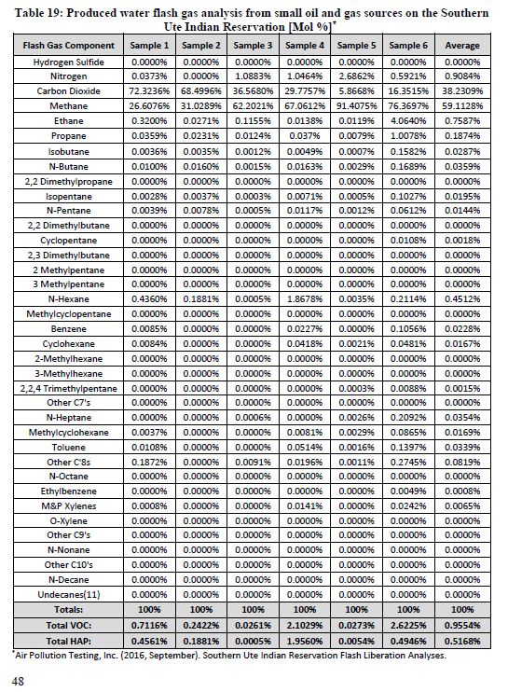
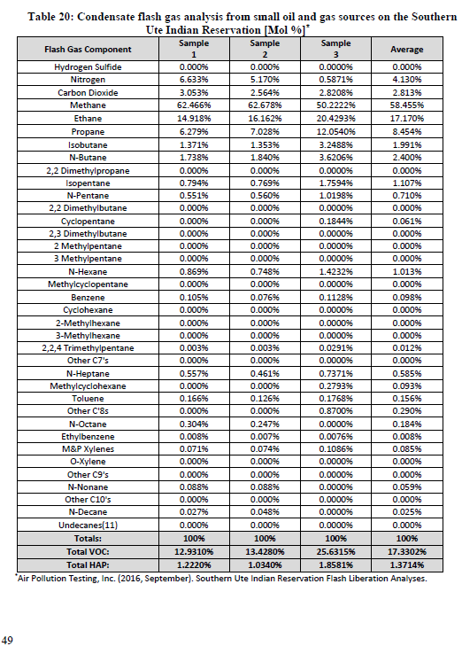
 |  |  |  |  |  |  |  |  |  |  |  |  |  |  |  | From: Strum, Madeleine [mailto:Strum.Madeleine@epa.gov]
 |  |  |  |  |  |  |  |  |  |  |  |  |  |  |  | Sent: Monday, November 23, 2020 1:21 PM
 |  |  |  |  |  |  |  |  |  |  |  |  |  |  |  | To: Ying Hsu <Ying_Hsu@abtassoc.com>
 |  |  |  |  |  |  |  |  |  |  |  |  |  |  |  | Cc: Pouliot, George <Pouliot.George@epa.gov>; Frank Divita <Frank_Divita@abtassoc.com>; Diem, Art <Diem.Art@epa.gov>; Menetrez, Marc <menetrez.marc@epa.gov>
 |  |  |  |  |  |  |  |  |  |  |  |  |  |  |  | Subject: FW: Southern Ute tribe emissions report

 |  |  |  |  |  |  |  |  |  |  |  |  |  |  |  | Warning from Abt: External email. Be careful opening links and attachments.

 |  |  |  |  |  |  |  |  |  |  |  |  |  |  |  | Can you create a Workbook for the 2 profiles below using the below link (reference)-- Pages 43-49 and in particular, page 46 (starting with 2nd to last paragraph) and Tables 19 and 20, have speciation data for oil and gas produced water and condensate tanks, respectively but in mole %.

 |  |  |  |  |  |  |  |  |  |  |  |  |  |  |  | Please only use the average (i.e., the ORIGINAL_COMPOSITE is “SC”).
 |  |  |  |  |  |  |  |  |  |  |  |  |  |  |  | 1) Produced Water Flash Gas - Southern Ute Reservation (and in the notes indicate that the reservation is in the northern part of the San Juan basin)- Region can say “Southern Ute Reservation”
 |  |  |  |  |  |  |  |  |  |  |  |  |  |  |  | 2) Condensate Tank Flash Gas - Southern Ute Reservation (and in the notes indicate that the reservation is in the northern part of the San Juan basin)- Region can say “Southern Ute Reservation”

 |  |  |  |  |  |  |  |  |  |  |  |  |  |  |  | Based on the test, the measurements were done in 2016. And the sampling methodology is described.

 |  |  |  |  |  |  |  |  |  |  |  |  |  |  |  | Thanks

 |  |  |  |  |  |  |  |  |  |  |  |  |  |  |  | Madeleine

 |  |  |  |  |  |  |  |  |  |  |  |  |  |  |  | From: Vukovich, Jeffrey <Vukovich.Jeffrey@epa.gov>
 |  |  |  |  |  |  |  |  |  |  |  |  |  |  |  | Sent: Monday, November 23, 2020 3:08 PM
 |  |  |  |  |  |  |  |  |  |  |  |  |  |  |  | To: Strum, Madeleine <Strum.Madeleine@epa.gov>
 |  |  |  |  |  |  |  |  |  |  |  |  |  |  |  | Cc: Diem, Art <Diem.Art@epa.gov>
 |  |  |  |  |  |  |  |  |  |  |  |  |  |  |  | Subject: FW: Southern Ute tribe emissions report

 |  |  |  |  |  |  |  |  |  |  |  |  |  |  |  | From: Vukovich, Jeffrey
 |  |  |  |  |  |  |  |  |  |  |  |  |  |  |  | Sent: Tuesday, June 30, 2020 1:26 PM
 |  |  |  |  |  |  |  |  |  |  |  |  |  |  |  | To: Mason, Rich <Mason.Rich@epa.gov>
 |  |  |  |  |  |  |  |  |  |  |  |  |  |  |  | Cc: Snyder, Jennifer <Snyder.Jennifer@epa.gov>; Eyth, Alison <Eyth.Alison@epa.gov>; Strum, Madeleine <Strum.Madeleine@epa.gov>
 |  |  |  |  |  |  |  |  |  |  |  |  |  |  |  | Subject: Southern Ute tribe emissions report

 |  |  |  |  |  |  |  |  |  |  |  |  |  |  |  | Rich,

 |  |  |  |  |  |  |  |  |  |  |  |  |  |  |  | I used this report to help with the platform decision:

 |  |  |  |  |  |  |  |  |  |  |  |  |  |  |  | https://www.southernute-nsn.gov/wp-content/uploads/sites/15/2019/12/191203-SUIT-CY2017-Emissions-Inventory-Report-FINAL.pdf

 |  |  |  |  |  |  |  |  |  |  |  |  |  |  |  | Location information on page 9 says:

 |  |  |  |  |  |  |  |  |  |  |  |  |  |  |  | 2. Geographic Location of Southern Ute Indian Reservation The Reservation is in southwestern Colorado. The Reservation land area covers 1,066 square miles in three counties (La Plata, Archuleta, and Montezuma) and borders New Mexico to the south. The total area covered by this inventory is approximately 682,590 acres, which encompasses all land within the external boundaries of the Reservation. The Southern Ute Indian Tribe (Tribe) and/or its members own approximately 320,000 acres, while the remaining land mass is comprised of non-Indian and government land in a checkerboard fashion. The primary land use is agricultural, and the predominant industry is oil and natural gas production.

 |  |  |  |  |  |  |  |  |  |  |  |  |  |  |  | The emissions values later in the report matched up well with those from EIS from what I recall. Hope this helps!
...

Species_Properties donotchange
SPECIES_ID | CAS | CAS no hyphen | EPAID | SAROAD | PAMS | HAPS | NAME | SYMBOL | SPEC_MW | NonVOCTOG | NOTE | SRS ID | Molecular Formula | OXYGEN_to_CARBON_RATIO | Smiles Notation | VP_Pascal_EPI | VP_Pascal_UM | SPECIES_ID
1 | 135-98-8 | 135988 |  | 45234 | FALSE | FALSE | (1-methylpropyl)benzene (or sec-butylbenzene) |  | 134.21816 | FALSE |  | 36574 | C10H14 |  | c1(ccccc1)C(CC)C | 176 | 248.0919 | 1
2 | 54105-77-0 | 54105770 |  | 99052 | FALSE | FALSE | (2-methylbutyl)cyclohexane |  | 154.29238 | FALSE |  |  | C11H22 |  |  | 158.7 | 128.5 | 2
3 | 538-93-2 | 538932 |  | 45235 | FALSE | FALSE | (2-methylpropyl)benzene (or isobutylbenzene) |  | 134.21816 | FALSE |  | 51649 | C10H14 |  | c1(ccccc1)CC(C)C | 182.6 | 248.0919 | 3
4 | 71-55-6 | 71556 |  | 43814 | FALSE | TRUE | 1,1,1-trichloroethane |  | 133.40422 | TRUE |  | 4796 | C2H3Cl3 |  | C(Cl)(Cl)(Cl)C | 14930 | 1884463 | 4
5 | 79-34-5 | 79345 |  | 99277 | FALSE | TRUE | 1,1,2,2-tetrachloroethane |  | 167.84928 | FALSE |  | 7773 | C2H2Cl4 |  | C(C(Cl)Cl)(Cl)Cl | 629.3 | 1884463 | 5
6 | 6783-92-2 | 6783922 |  | 99062 | FALSE | FALSE | 1,1,2,3-tetramethylcyclohexane |  | 140.2658 | FALSE |  | 17149014 | C10H20 |  |  | 678.6 |  | 6
7 | 79-00-5 | 79005 |  | 43820 | FALSE | TRUE | 1,1,2-trichloroethane |  | 133.40422 | FALSE |  | 7518 | C2H3Cl3 |  | ClCC(Cl)Cl | 2746 | 1884463 | 7
Search SPECIES ID for the SPECIES tab.
Search SPECIES ID for the SPECIES tab.
8 | 7094-26-0 | 7094260 |  | 91074 | FALSE | FALSE | 1,1,2-trimethylcyclohexane |  | 126.23922 | FALSE |  |  | C9H18 |  |  | 845.2 |  | 8
9 | 4259-00-1 | 4259001 |  | 91033 | FALSE | FALSE | 1,1,2-trimethylcyclopentane |  | 112.21264 | FALSE |  |  | C8H16 |  |  | 3226 |  | 9
10 | 24612-75-7 | 24612757 |  | 99043 | FALSE | FALSE | 1,1,3,4-tetramethylcyclohexane |  | 140.2658 | FALSE |  | 17149394 | C10H20 |  |  | 613.3 |  | 10
11 | 4306-65-4 | 4306654 |  | 99107 | FALSE | FALSE | 1,1,3,5-tetramethylcyclohexane |  | 140.2658 | FALSE |  | 17156076 | C10H20 |  |  | 613.3 |  | 11
12 | 3073-66-3 | 3073663 |  | 91064 | FALSE | FALSE | 1,1,3-trimethylcyclohexane |  | 126.23922 | FALSE |  |  | C9H18 |  |  | 1231 |  | 12
13 | 4516-69-2 | 4516692 |  | 91030 | FALSE | FALSE | 1,1,3-trimethylcyclopentane |  | 112.21264 | FALSE |  |  | C8H16 |  |  | 4706 |  | 13
15 | 1717-00-6 | 1717006 |  | 99230 | FALSE | FALSE | 1,1-dichloro-1-fluoroethane | HCFC-141b | 116.9496232 | TRUE |  | 91348 | C2H3Cl2F |  | CC(F)(Cl)Cl | 77990 | 1884463 | 15
16 | 75-34-3 | 75343 |  | 43813 | FALSE | TRUE | 1,1-dichloroethane |  | 98.95916 | FALSE |  | 5520 | C2H4Cl2 |  | C(Cl)(Cl)C | 29200 | 1884463 | 16
17 | 75-35-4 | 75354 |  | 99013 | FALSE | TRUE | 1,1-dichloroethene (vinylidene chloride) |  | 96.94328 | FALSE |  | 5538 | C2H2Cl2 |  | C(=C)(Cl)Cl | 80130 | 1884463 | 17
18 | 16587-71-6 | 16587716 |  | 99059 | FALSE | FALSE | 1,1-dimethyl-2-propylcyclohexane |  | 154.29238 | FALSE |  | 204917 | C11H20O | 0.09090909 | O=C1CCC(C(CC)(C)C)CC1 | 16.13 | 40.7772 | 18
19 | 590-66-9 | 590669 |  | 91041 | FALSE | FALSE | 1,1-dimethylcyclohexane |  | 112.21264 | FALSE |  | 17000738 | C8H16 |  | C1CCCCC1(C)C | 2546 | 22953.33 | 19
20 | 1638-26-2 | 1638262 |  | 99098 | FALSE | FALSE | 1,1-dimethylcyclopentane |  | 98.18606 | FALSE |  |  | C7H14 |  |  | 9546 |  | 20
21 | 16747-50-5 | 16747505 |  | 91046 | FALSE | FALSE | 1,1-Methylethylcyclopentane |  | 112.21264 | FALSE |  |  | C8H16 |  |  | 2346 |  | 21
22 | 488-23-3 | 488233 |  | 91109 | FALSE | FALSE | 1,2,3,4-tetramethylbenzene |  | 134.21816 | FALSE |  | 47365 | C10H14 |  | c1(c(c(c(cc1)C)C)C)C | 37.46 | 156.8176 | 22
...

