Charts
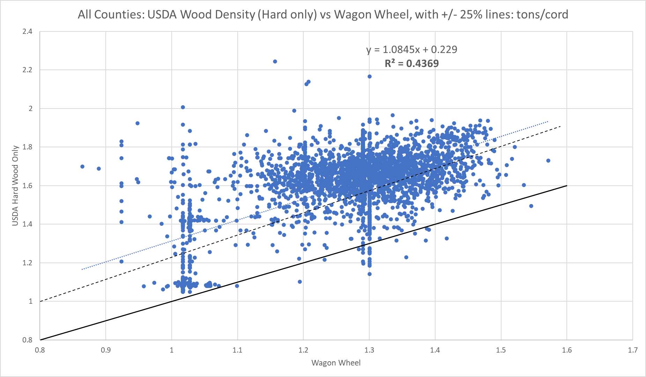

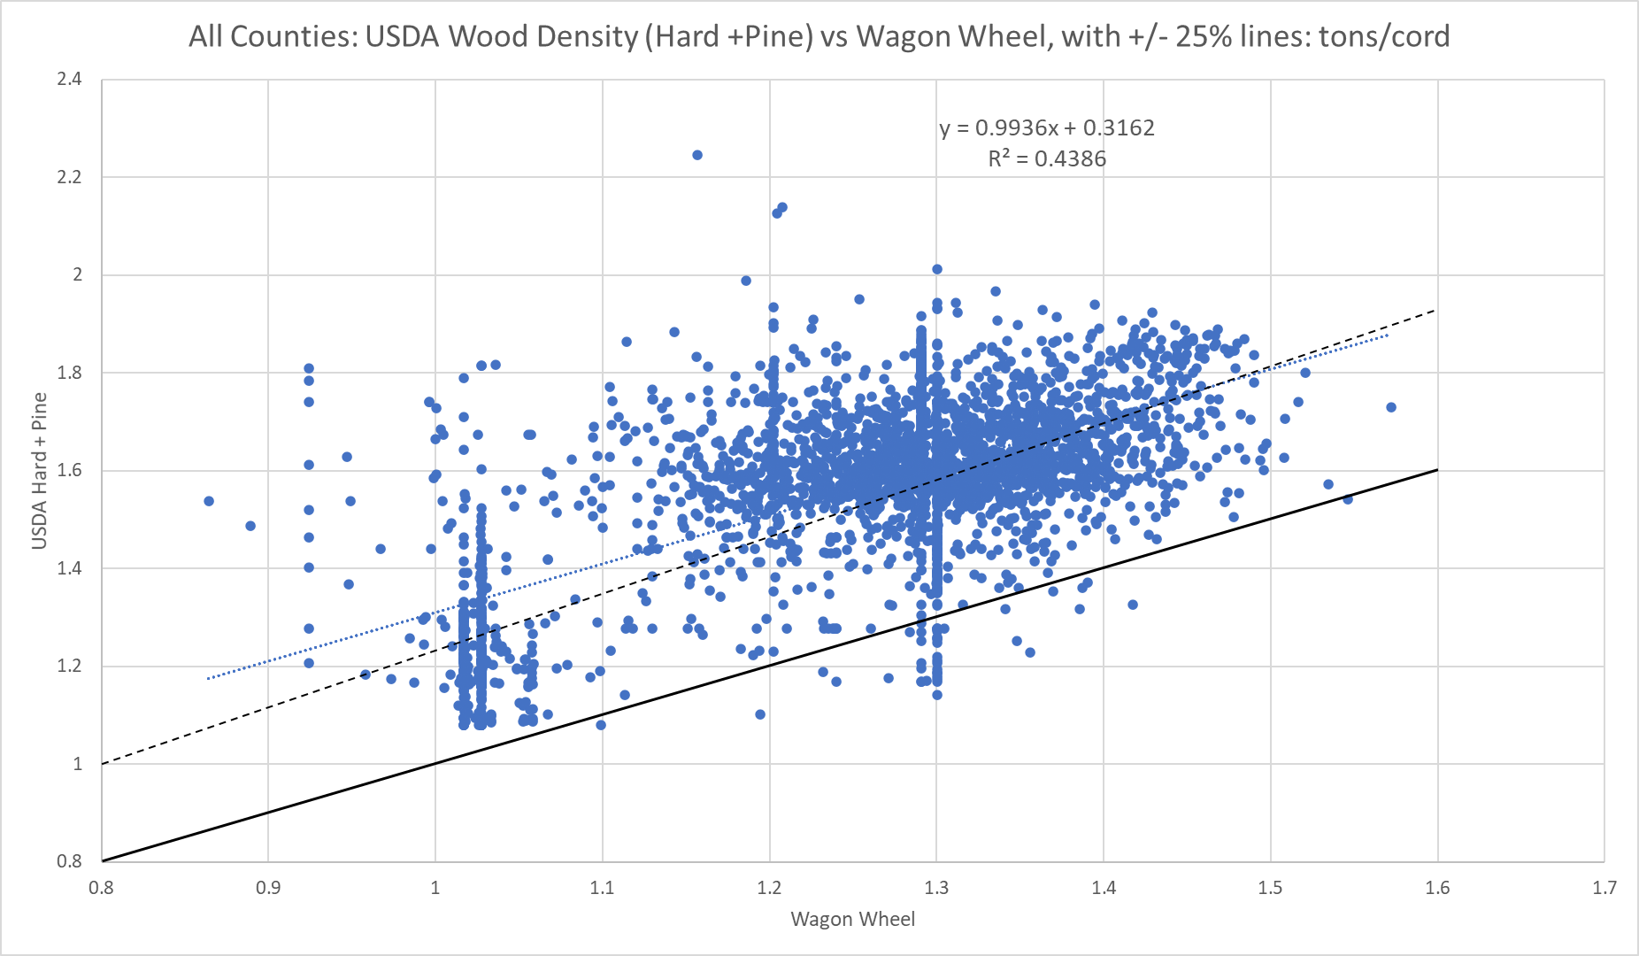

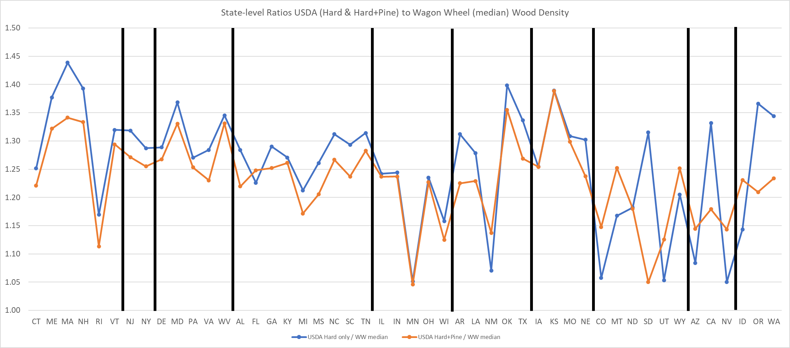

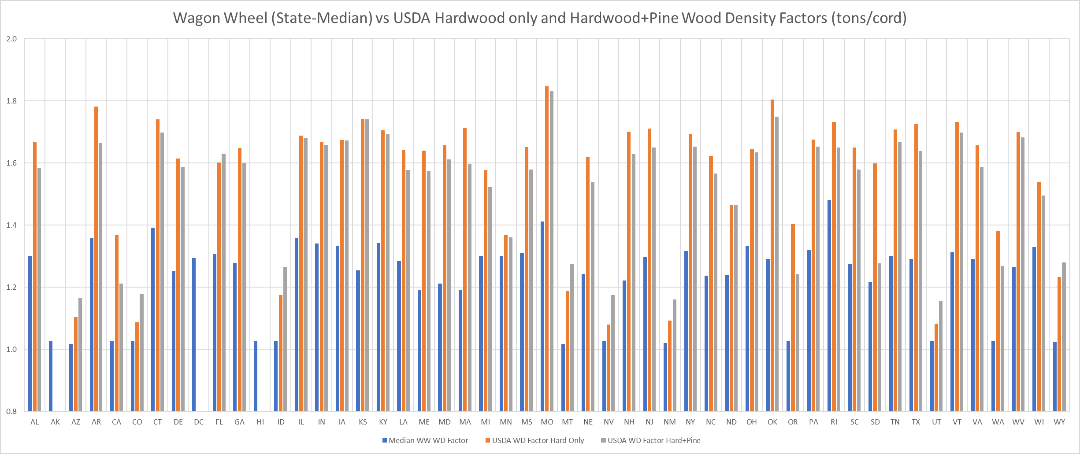

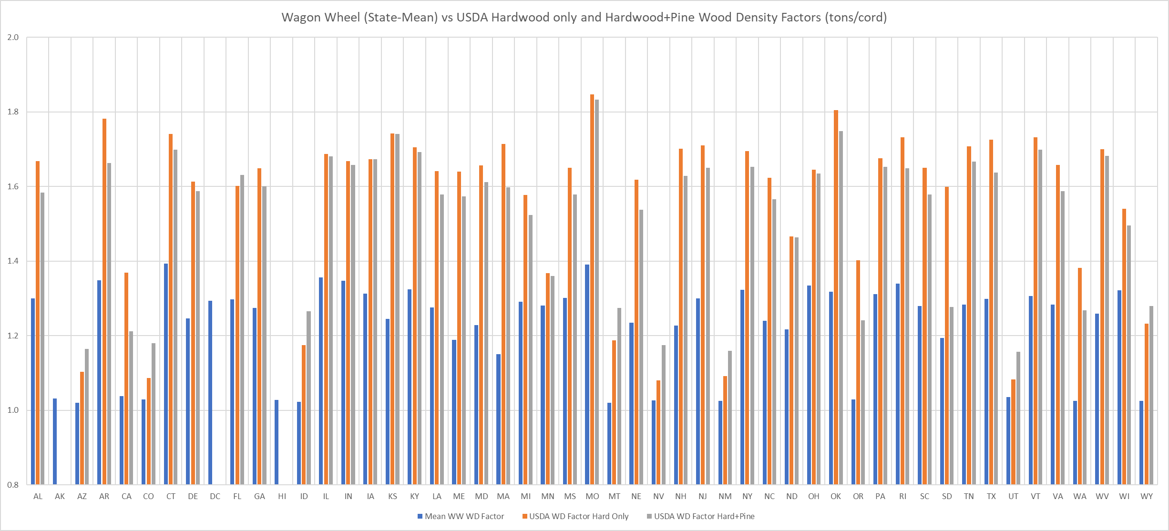

RWC_Wood_Density_USDA_WW
All Counties: USDA Wood Density (Hard +Pine) vs Wagon Wheel, with +/- 25% lines: tons/cord
 | USDA WD Factor Hard+Pine
1.3062 | 1.5737327531
1.2411 | 1.5936126514
1.2923 | 1.5599554204
1.3513 | 1.6002078673
1.3483 | 1.5700325335
1.2441 | 1.5789018205
1.2679 | 1.5418518762
1.338 | 1.617227388
1.2087 | 1.5415344573
1.3571 | 1.6154363996
1.2829 | 1.5828158944
1.2819 | 1.5572715243
1.2798 | 1.5493478746
1.2878 | 1.6549917086
1.2247 | 1.5917492515
1.2459 | 1.5886080325
1.334 | 1.6325474474
1.2796 | 1.5394258161
1.3323 | 1.573089272
1.3096 | 1.5633274941
1.3039 | 1.5660354236
1.2988 | 1.5877704031
1.2832 | 1.6034235361
1.3305 | 1.5968882394
1.29 | 1.6611927213
1.2838 | 1.585783904
1.3182 | 1.6173093803
1.2948 | 1.6177480653
1.3005 | 1.5366426433
1.3305 | 1.6017778878
1.2303 | 1.6168341835
1.303 | 1.5835549868
1.3693 | 1.5912072191
1.3643 | 1.5796971382
1.2134 | 1.6190819795
1.4005 | 1.7036005191
1.3487 | 1.5469948205
1.3055 | 1.5696708987
1.4004 | 1.6714449173
1.2704 | 1.6532303643
1.1974 | 1.566753095
1.3527 | 1.6209726676
1.2814 | 1.5730824677
1.3544 | 1.5997466679
1.1841 | 1.6402225683
1.2396 | 1.5572489674
1.309 | 1.5664375544
1.4183 | 1.6411301962
1.2262 | 1.6045144708
1.3081 | 1.5507460671
...
WW only? | FIPS | WW WD Factor | USDA WD Factor Hard Only | USDA WD Factor Hard+Pine | USDA Hard only / WW | USDA Hard+Pine / WW | cty_wood_density_Y | cty_wood_density_YM | st_wood_density_Y | st_wood_density_YM | agency | st | state | cty | county | stabb
 | 1001 | 1.3062 | 1.661063983 | 1.5737327531 | 1.2716766062 | 1.204817603 | 1.661063983 | 1.5737327531 | 1.6673213601 | 1.5841369357 | Alabama Department of Environmental Management | 1 | Alabama | 1 | Autauga County | AL
 | 1003 | 1.2411 | 1.5865166473 | 1.5936126514 | 1.2783149201 | 1.284032432 | 1.5865166473 | 1.5936126514 | 1.6673213601 | 1.5841369357 | Alabama Department of Environmental Management | 1 | Alabama | 3 | Baldwin County | AL
 | 1005 | 1.2923 | 1.6405574722 | 1.5599554204 | 1.2694865528 | 1.2071155463 | 1.6405574722 | 1.5599554204 | 1.6673213601 | 1.5841369357 | Alabama Department of Environmental Management | 1 | Alabama | 5 | Barbour County | AL
 | 1007 | 1.3513 | 1.6952174663 | 1.6002078673 | 1.2545085964 | 1.1841988214 | 1.6952174663 | 1.6002078673 | 1.6673213601 | 1.5841369357 | Alabama Department of Environmental Management | 1 | Alabama | 7 | Bibb County | AL
 | 1009 | 1.3483 | 1.6769635305 | 1.5700325335 | 1.2437614258 | 1.1644534106 | 1.6769635305 | 1.5700325335 | 1.6673213601 | 1.5841369357 | Alabama Department of Environmental Management | 1 | Alabama | 9 | Blount County | AL
 | 1011 | 1.2441 | 1.6588151614 | 1.5789018205 | 1.3333455199 | 1.2691116634 | 1.6588151614 | 1.5789018205 | 1.6673213601 | 1.5841369357 | Alabama Department of Environmental Management | 1 | Alabama | 11 | Bullock County | AL
 | 1013 | 1.2679 | 1.6260819608 | 1.5418518762 | 1.2825001663 | 1.2160674156 | 1.6260819608 | 1.5418518762 | 1.6673213601 | 1.5841369357 | Alabama Department of Environmental Management | 1 | Alabama | 13 | Butler County | AL
 | 1015 | 1.338 | 1.7343126244 | 1.617227388 | 1.2961977761 | 1.2086901256 | 1.7343126244 | 1.617227388 | 1.6673213601 | 1.5841369357 | Alabama Department of Environmental Management | 1 | Alabama | 15 | Calhoun County | AL
 | 1017 | 1.2087 | 1.6478634103 | 1.5415344573 | 1.3633353275 | 1.2753656468 | 1.6478634103 | 1.5415344573 | 1.6673213601 | 1.5841369357 | Alabama Department of Environmental Management | 1 | Alabama | 17 | Chambers County | AL
 | 1019 | 1.3571 | 1.7452903071 | 1.6154363996 | 1.2860439961 | 1.1903591479 | 1.7452903071 | 1.6154363996 | 1.6673213601 | 1.5841369357 | Alabama Department of Environmental Management | 1 | Alabama | 19 | Cherokee County | AL
 | 1021 | 1.2829 | 1.6638022486 | 1.5828158944 | 1.2969072013 | 1.2337796355 | 1.6638022486 | 1.5828158944 | 1.6673213601 | 1.5841369357 | Alabama Department of Environmental Management | 1 | Alabama | 21 | Chilton County | AL
 | 1023 | 1.2819 | 1.6634426389 | 1.5572715243 | 1.2976383797 | 1.2148151371 | 1.6634426389 | 1.5572715243 | 1.6673213601 | 1.5841369357 | Alabama Department of Environmental Management | 1 | Alabama | 23 | Choctaw County | AL
 | 1025 | 1.2798 | 1.6518721254 | 1.5493478746 | 1.2907267741 | 1.210617186 | 1.6518721254 | 1.5493478746 | 1.6673213601 | 1.5841369357 | Alabama Department of Environmental Management | 1 | Alabama | 25 | Clarke County | AL
 | 1027 | 1.2878 | 1.7539638964 | 1.6549917086 | 1.3619846998 | 1.2851310053 | 1.7539638964 | 1.6549917086 | 1.6673213601 | 1.5841369357 | Alabama Department of Environmental Management | 1 | Alabama | 27 | Clay County | AL
 | 1029 | 1.2247 | 1.6835381515 | 1.5917492515 | 1.3746535082 | 1.2997054393 | 1.6835381515 | 1.5917492515 | 1.6673213601 | 1.5841369357 | Alabama Department of Environmental Management | 1 | Alabama | 29 | Cleburne County | AL
 | 1031 | 1.2459 | 1.6704192742 | 1.5886080325 | 1.3407330236 | 1.2750686512 | 1.6704192742 | 1.5886080325 | 1.6673213601 | 1.5841369357 | Alabama Department of Environmental Management | 1 | Alabama | 31 | Coffee County | AL
 | 1033 | 1.334 | 1.6948529214 | 1.6325474474 | 1.2705044388 | 1.2237986862 | 1.6948529214 | 1.6325474474 | 1.6673213601 | 1.5841369357 | Alabama Department of Environmental Management | 1 | Alabama | 33 | Colbert County | AL
 | 1035 | 1.2796 | 1.6120992985 | 1.5394258161 | 1.2598462789 | 1.2030523727 | 1.6120992985 | 1.5394258161 | 1.6673213601 | 1.5841369357 | Alabama Department of Environmental Management | 1 | Alabama | 35 | Conecuh County | AL
 | 1037 | 1.3323 | 1.6823572402 | 1.573089272 | 1.2627465587 | 1.1807320213 | 1.6823572402 | 1.573089272 | 1.6673213601 | 1.5841369357 | Alabama Department of Environmental Management | 1 | Alabama | 37 | Coosa County | AL
 | 1039 | 1.3096 | 1.6245664196 | 1.5633274941 | 1.2405058182 | 1.1937442685 | 1.6245664196 | 1.5633274941 | 1.6673213601 | 1.5841369357 | Alabama Department of Environmental Management | 1 | Alabama | 39 | Covington County | AL
 | 1041 | 1.3039 | 1.641818725 | 1.5660354236 | 1.2591600008 | 1.201039515 | 1.641818725 | 1.5660354236 | 1.6673213601 | 1.5841369357 | Alabama Department of Environmental Management | 1 | Alabama | 41 | Crenshaw County | AL
 | 1043 | 1.2988 | 1.6497222094 | 1.5877704031 | 1.2701895669 | 1.2224903011 | 1.6497222094 | 1.5877704031 | 1.6673213601 | 1.5841369357 | Alabama Department of Environmental Management | 1 | Alabama | 43 | Cullman County | AL
 | 1045 | 1.2832 | 1.6469453789 | 1.6034235361 | 1.2834674087 | 1.2495507607 | 1.6469453789 | 1.6034235361 | 1.6673213601 | 1.5841369357 | Alabama Department of Environmental Management | 1 | Alabama | 45 | Dale County | AL
 | 1047 | 1.3305 | 1.6865061889 | 1.5968882394 | 1.2675732348 | 1.2002166399 | 1.6865061889 | 1.5968882394 | 1.6673213601 | 1.5841369357 | Alabama Department of Environmental Management | 1 | Alabama | 47 | Dallas County | AL
 | 1049 | 1.29 | 1.7660366475 | 1.6611927213 | 1.369020657 | 1.2877462955 | 1.7660366475 | 1.6611927213 | 1.6673213601 | 1.5841369357 | Alabama Department of Environmental Management | 1 | Alabama | 49 | DeKalb County | AL
 | 1051 | 1.2838 | 1.6764173058 | 1.585783904 | 1.3058243541 | 1.2352265961 | 1.6764173058 | 1.585783904 | 1.6673213601 | 1.5841369357 | Alabama Department of Environmental Management | 1 | Alabama | 51 | Elmore County | AL
 | 1053 | 1.3182 | 1.6345320328 | 1.6173093803 | 1.2399727149 | 1.2269074346 | 1.6345320328 | 1.6173093803 | 1.6673213601 | 1.5841369357 | Alabama Department of Environmental Management | 1 | Alabama | 53 | Escambia County | AL
 | 1055 | 1.2948 | 1.6983158532 | 1.6177480653 | 1.3116433837 | 1.2494192658 | 1.6983158532 | 1.6177480653 | 1.6673213601 | 1.5841369357 | Alabama Department of Environmental Management | 1 | Alabama | 55 | Etowah County | AL
 | 1057 | 1.3005 | 1.6227238092 | 1.5366426433 | 1.2477691727 | 1.1815783493 | 1.6227238092 | 1.5366426433 | 1.6673213601 | 1.5841369357 | Alabama Department of Environmental Management | 1 | Alabama | 57 | Fayette County | AL
 | 1059 | 1.3305 | 1.6690985738 | 1.6017778878 | 1.254489721 | 1.2038916857 | 1.6690985738 | 1.6017778878 | 1.6673213601 | 1.5841369357 | Alabama Department of Environmental Management | 1 | Alabama | 59 | Franklin County | AL
 | 1061 | 1.2303 | 1.6116567933 | 1.6168341835 | 1.3099705708 | 1.3141788048 | 1.6116567933 | 1.6168341835 | 1.6673213601 | 1.5841369357 | Alabama Department of Environmental Management | 1 | Alabama | 61 | Geneva County | AL
 | 1063 | 1.303 | 1.671619536 | 1.5835549868 | 1.2829006416 | 1.2153146484 | 1.671619536 | 1.5835549868 | 1.6673213601 | 1.5841369357 | Alabama Department of Environmental Management | 1 | Alabama | 63 | Greene County | AL
 | 1065 | 1.3693 | 1.655299355 | 1.5912072191 | 1.2088653728 | 1.1620588762 | 1.655299355 | 1.5912072191 | 1.6673213601 | 1.5841369357 | Alabama Department of Environmental Management | 1 | Alabama | 65 | Hale County | AL
 | 1067 | 1.3643 | 1.6745537532 | 1.5796971382 | 1.2274087468 | 1.1578810659 | 1.6745537532 | 1.5796971382 | 1.6673213601 | 1.5841369357 | Alabama Department of Environmental Management | 1 | Alabama | 67 | Henry County | AL
 | 1069 | 1.2134 | 1.6578041213 | 1.6190819795 | 1.3662470095 | 1.3343349097 | 1.6578041213 | 1.6190819795 | 1.6673213601 | 1.5841369357 | Alabama Department of Environmental Management | 1 | Alabama | 69 | Houston County | AL
 | 1071 | 1.4005 | 1.7406494232 | 1.7036005191 | 1.2428771319 | 1.2164230768 | 1.7406494232 | 1.7036005191 | 1.6673213601 | 1.5841369357 | Alabama Department of Environmental Management | 1 | Alabama | 71 | Jackson County | AL
 | 1073 | 1.3487 | 1.6173460061 | 1.5469948205 | 1.1991888531 | 1.1470266334 | 1.6173460061 | 1.5469948205 | 1.6673213601 | 1.5841369357 | Alabama Department of Environmental Management | 1 | Alabama | 73 | Jefferson County | AL
 | 1075 | 1.3055 | 1.6240462661 | 1.5696708987 | 1.2440032678 | 1.2023522779 | 1.6240462661 | 1.5696708987 | 1.6673213601 | 1.5841369357 | Alabama Department of Environmental Management | 1 | Alabama | 75 | Lamar County | AL
 | 1077 | 1.4004 | 1.7308654856 | 1.6714449173 | 1.2359793528 | 1.1935482128 | 1.7308654856 | 1.6714449173 | 1.6673213601 | 1.5841369357 | Alabama Department of Environmental Management | 1 | Alabama | 77 | Lauderdale County | AL
 | 1079 | 1.2704 | 1.7230712787 | 1.6532303643 | 1.3563218504 | 1.3013463195 | 1.7230712787 | 1.6532303643 | 1.6673213601 | 1.5841369357 | Alabama Department of Environmental Management | 1 | Alabama | 79 | Lawrence County | AL
 | 1081 | 1.1974 | 1.6529078973 | 1.566753095 | 1.380414145 | 1.3084625814 | 1.6529078973 | 1.566753095 | 1.6673213601 | 1.5841369357 | Alabama Department of Environmental Management | 1 | Alabama | 81 | Lee County | AL
 | 1083 | 1.3527 | 1.6389356426 | 1.6209726676 | 1.2116031955 | 1.1983238468 | 1.6389356426 | 1.6209726676 | 1.6673213601 | 1.5841369357 | Alabama Department of Environmental Management | 1 | Alabama | 83 | Limestone County | AL
 | 1085 | 1.2814 | 1.6496716026 | 1.5730824677 | 1.2873978482 | 1.2276279598 | 1.6496716026 | 1.5730824677 | 1.6673213601 | 1.5841369357 | Alabama Department of Environmental Management | 1 | Alabama | 85 | Lowndes County | AL
 | 1087 | 1.3544 | 1.7026522123 | 1.5997466679 | 1.2571265596 | 1.1811478647 | 1.7026522123 | 1.5997466679 | 1.6673213601 | 1.5841369357 | Alabama Department of Environmental Management | 1 | Alabama | 87 | Macon County | AL
 | 1089 | 1.1841 | 1.6915593597 | 1.6402225683 | 1.4285612362 | 1.3852061214 | 1.6915593597 | 1.6402225683 | 1.6673213601 | 1.5841369357 | Alabama Department of Environmental Management | 1 | Alabama | 89 | Madison County | AL
 | 1091 | 1.2396 | 1.6374420547 | 1.5572489674 | 1.320943897 | 1.2562511838 | 1.6374420547 | 1.5572489674 | 1.6673213601 | 1.5841369357 | Alabama Department of Environmental Management | 1 | Alabama | 91 | Marengo County | AL
 | 1093 | 1.309 | 1.6942711869 | 1.5664375544 | 1.2943248181 | 1.1966673449 | 1.6942711869 | 1.5664375544 | 1.6673213601 | 1.5841369357 | Alabama Department of Environmental Management | 1 | Alabama | 93 | Marion County | AL
 | 1095 | 1.4183 | 1.7254377985 | 1.6411301962 | 1.2165534784 | 1.1571107637 | 1.7254377985 | 1.6411301962 | 1.6673213601 | 1.5841369357 | Alabama Department of Environmental Management | 1 | Alabama | 95 | Marshall County | AL
 | 1097 | 1.2262 | 1.5835153236 | 1.6045144708 | 1.2914005248 | 1.30852591 | 1.5835153236 | 1.6045144708 | 1.6673213601 | 1.5841369357 | Alabama Department of Environmental Management | 1 | Alabama | 97 | Mobile County | AL
 | 1099 | 1.3081 | 1.6373247827 | 1.5507460671 | 1.2516816625 | 1.1854950441 | 1.6373247827 | 1.5507460671 | 1.6673213601 | 1.5841369357 | Alabama Department of Environmental Management | 1 | Alabama | 99 | Monroe County | AL
 | 1101 | 1.2799 | 1.6529182166 | 1.5914709423 | 1.2914432507 | 1.243433817 | 1.6529182166 | 1.5914709423 | 1.6673213601 | 1.5841369357 | Alabama Department of Environmental Management | 1 | Alabama | 101 | Montgomery County | AL
 | 1103 | 1.4024 | 1.6812057326 | 1.6343539208 | 1.1988061413 | 1.1653978328 | 1.6812057326 | 1.6343539208 | 1.6673213601 | 1.5841369357 | Alabama Department of Environmental Management | 1 | Alabama | 103 | Morgan County | AL
 | 1105 | 1.2635 | 1.6391001486 | 1.5660455791 | 1.2972696071 | 1.2394503989 | 1.6391001486 | 1.5660455791 | 1.6673213601 | 1.5841369357 | Alabama Department of Environmental Management | 1 | Alabama | 105 | Perry County | AL
 | 1107 | 1.2734 | 1.669208175 | 1.5716440374 | 1.3108278428 | 1.2342108036 | 1.669208175 | 1.5716440374 | 1.6673213601 | 1.5841369357 | Alabama Department of Environmental Management | 1 | Alabama | 107 | Pickens County | AL
 | 1109 | 1.3257 | 1.6550930902 | 1.5962527167 | 1.2484672929 | 1.2040829122 | 1.6550930902 | 1.5962527167 | 1.6673213601 | 1.5841369357 | Alabama Department of Environmental Management | 1 | Alabama | 109 | Pike County | AL
 | 1111 | 1.2743 | 1.6559276704 | 1.5718219696 | 1.2994802405 | 1.2334787488 | 1.6559276704 | 1.5718219696 | 1.6673213601 | 1.5841369357 | Alabama Department of Environmental Management | 1 | Alabama | 111 | Randolph County | AL
 | 1113 | 1.2276 | 1.7042703645 | 1.5752565122 | 1.3882945295 | 1.2832001566 | 1.7042703645 | 1.5752565122 | 1.6673213601 | 1.5841369357 | Alabama Department of Environmental Management | 1 | Alabama | 113 | Russell County | AL
 | 1115 | 1.3657 | 1.7036172411 | 1.605442613 | 1.2474315304 | 1.1755455905 | 1.7036172411 | 1.605442613 | 1.6673213601 | 1.5841369357 | Alabama Department of Environmental Management | 1 | Alabama | 115 | St. Clair County | AL
 | 1117 | 1.3069 | 1.7209382143 | 1.5916143274 | 1.3168094072 | 1.2178547153 | 1.7209382143 | 1.5916143274 | 1.6673213601 | 1.5841369357 | Alabama Department of Environmental Management | 1 | Alabama | 117 | Shelby County | AL
 | 1119 | 1.2983 | 1.6830481217 | 1.5821689375 | 1.2963476251 | 1.2186466437 | 1.6830481217 | 1.5821689375 | 1.6673213601 | 1.5841369357 | Alabama Department of Environmental Management | 1 | Alabama | 119 | Sumter County | AL
 | 1121 | 1.3033 | 1.7505589377 | 1.6224403186 | 1.3431742022 | 1.2448709573 | 1.7505589377 | 1.6224403186 | 1.6673213601 | 1.5841369357 | Alabama Department of Environmental Management | 1 | Alabama | 121 | Talladega County | AL
 | 1123 | 1.2843 | 1.6783162524 | 1.5807793632 | 1.3067945592 | 1.2308489942 | 1.6783162524 | 1.5807793632 | 1.6673213601 | 1.5841369357 | Alabama Department of Environmental Management | 1 | Alabama | 123 | Tallapoosa County | AL
 | 1125 | 1.2955 | 1.6838596011 | 1.5840560421 | 1.2997758403 | 1.2227371996 | 1.6838596011 | 1.5840560421 | 1.6673213601 | 1.5841369357 | Alabama Department of Environmental Management | 1 | Alabama | 125 | Tuscaloosa County | AL
 | 1127 | 1.3648 | 1.6641504642 | 1.5646595885 | 1.2193365066 | 1.1464387371 | 1.6641504642 | 1.5646595885 | 1.6673213601 | 1.5841369357 | Alabama Department of Environmental Management | 1 | Alabama | 127 | Walker County | AL
 | 1129 | 1.2876 | 1.5841846114 | 1.5627606869 | 1.2303390893 | 1.2137004402 | 1.5841846114 | 1.5627606869 | 1.6673213601 | 1.5841369357 | Alabama Department of Environmental Management | 1 | Alabama | 129 | Washington County | AL
 | 1131 | 1.2989 | 1.6881413013 | 1.5767479588 | 1.2996699525 | 1.2139102001 | 1.6881413013 | 1.5767479588 | 1.6673213601 | 1.5841369357 | Alabama Department of Environmental Management | 1 | Alabama | 131 | Wilcox County | AL
 | 1133 | 1.3079 | 1.7190760881 | 1.5914901291 | 1.3143788425 | 1.2168286024 | 1.7190760881 | 1.5914901291 | 1.6673213601 | 1.5841369357 | Alabama Department of Environmental Management | 1 | Alabama | 133 | Winston County | AL
 | 4001 | 1.0055 | 1.0951614566 | 1.1553670956 | 1.0891710161 | 1.1490473353 | 1.0951614566 | 1.1553670956 | 1.1031047152 | 1.1648379454 | Arizona Department of Environmental Quality | 4 | Arizona | 1 | Apache County | AZ
 | 4003 | 1.017 | 1.524 | 1.524 | 1.4985250737 | 1.4985250737 | 1.524 | 1.524 | 1.1031047152 | 1.1648379454 | Arizona Department of Environmental Quality | 4 | Arizona | 3 | Cochise County | AZ
 | 4005 | 1.0185 | 1.1069733866 | 1.1675665602 | 1.086866359 | 1.1463589201 | 1.1069733866 | 1.1675665602 | 1.1031047152 | 1.1648379454 | Arizona Department of Environmental Quality | 4 | Arizona | 5 | Coconino County | AZ
 | 4007 | 1.0276 | 1.116 | 1.1675325854 | 1.0860256909 | 1.136174178 | 1.116 | 1.1675325854 | 1.1031047152 | 1.1648379454 | Arizona Department of Environmental Quality | 4 | Arizona | 7 | Gila County | AZ
 | 4009 | 1.0276 | 1.1169996631 | 1.1656818038 | 1.0869985044 | 1.1343731061 | 1.1169996631 | 1.1656818038 | 1.1031047152 | 1.1648379454 | Arizona Department of Environmental Quality | 4 | Arizona | 9 | Graham County | AZ
 | 4011 | 1.0219 | 1.121 | 1.1677314311 | 1.0969762208 | 1.142706166 | 1.121 | 1.1677314311 | 1.1031047152 | 1.1648379454 | Arizona Department of Environmental Quality | 4 | Arizona | 11 | Greenlee County | AZ
WW only | 4012 | 1.0276 | 1.1031047152 | 1.1648379454 | 1.0734767567 | 1.1335519126 |  |  | 1.1031047152 | 1.1648379454 | Arizona Department of Environmental Quality | 4 | Arizona | 12 | La Paz County | AZ
WW only | 4013 | 1.0176 | 1.1031047152 | 1.1648379454 | 1.0840258601 | 1.1446913771 |  |  | 1.1031047152 | 1.1648379454 | Maricopa County Air Quality Department | 4 | Arizona | 13 | Maricopa County | AZ
 | 4015 | 1.0171 | 1.1031047152 | 1.168 | 1.0845587604 | 1.1483629928 |  | 1.168 | 1.1031047152 | 1.1648379454 | Arizona Department of Environmental Quality | 4 | Arizona | 15 | Mohave County | AZ
 | 4017 | 1.0276 | 1.316 | 1.1684314872 | 1.280653951 | 1.1370489365 | 1.316 | 1.1684314872 | 1.1031047152 | 1.1648379454 | Arizona Department of Environmental Quality | 4 | Arizona | 17 | Navajo County | AZ
 | 4019 | 1.017 | 1.08 | 1.1138461681 | 1.0619469027 | 1.095227304 | 1.08 | 1.1138461681 | 1.1031047152 | 1.1648379454 | Arizona Department of Environmental Quality | 4 | Arizona | 19 | Pima County | AZ
WW only | 4021 | 1.0176 | 1.1031047152 | 1.1648379454 | 1.0840258601 | 1.1446913771 |  |  | 1.1031047152 | 1.1648379454 | Arizona Department of Environmental Quality | 4 | Arizona | 21 | Pinal County | AZ
WW only | 4023 | 1.017 | 1.1031047152 | 1.1648379454 | 1.0846654034 | 1.1453667113 |  |  | 1.1031047152 | 1.1648379454 | Arizona Department of Environmental Quality | 4 | Arizona | 23 | Santa Cruz County | AZ
 | 4025 | 1.0171 | 1.1031047152 | 1.168 | 1.0845587604 | 1.1483629928 |  | 1.168 | 1.1031047152 | 1.1648379454 | Arizona Department of Environmental Quality | 4 | Arizona | 25 | Yavapai County | AZ
WW only | 4027 | 1.0276 | 1.1031047152 | 1.1648379454 | 1.0734767567 | 1.1335519126 |  |  | 1.1031047152 | 1.1648379454 | Arizona Department of Environmental Quality | 4 | Arizona | 27 | Yuma County | AZ
 | 5001 | 1.2767 | 1.6874278573 | 1.6781803527 | 1.3217105485 | 1.3144672614 | 1.6874278573 | 1.6781803527 | 1.7814276117 | 1.6633609824 | Arkansas Department of Environmental Quality | 5 | Arkansas | 1 | Arkansas County | AR
 | 5003 | 1.3307 | 1.7037194827 | 1.5450436642 | 1.2803182405 | 1.161075873 | 1.7037194827 | 1.5450436642 | 1.7814276117 | 1.6633609824 | Arkansas Department of Environmental Quality | 5 | Arkansas | 3 | Ashley County | AR
...

STATE-LEVEL_by Region
Wagon Wheel (State-Mean) vs USDA Hardwood only and Hardwood+Pine Wood Density Factors (tons/cord)
 | Mean WW WD Factor | USDA WD Factor Hard Only | USDA WD Factor Hard+Pine
CT | 1.393 | 1.741 | 1.698
ME | 1.188 | 1.640 | 1.574
MA | 1.150 | 1.713 | 1.598
NH | 1.226 | 1.701 | 1.628
RI | 1.339 | 1.732 | 1.649
VT | 1.307 | 1.732 | 1.698
NJ | 1.299 | 1.711 | 1.649
NY | 1.322 | 1.694 | 1.652
DE | 1.246 | 1.613 | 1.587
MD | 1.228 | 1.657 | 1.611
PA | 1.312 | 1.675 | 1.653
VA | 1.284 | 1.657 | 1.588
WV | 1.258 | 1.700 | 1.682
AL | 1.300 | 1.667 | 1.584
FL | 1.298 | 1.602 | 1.630
GA | 1.274 | 1.648 | 1.600
KY | 1.324 | 1.705 | 1.692
MI | 1.291 | 1.577 | 1.524
MS | 1.301 | 1.651 | 1.578
NC | 1.240 | 1.623 | 1.566
SC | 1.280 | 1.650 | 1.578
TN | 1.283 | 1.707 | 1.666
IL | 1.356 | 1.687 | 1.680
IN | 1.347 | 1.668 | 1.658
MN | 1.281 | 1.367 | 1.360
OH | 1.334 | 1.645 | 1.634
WI | 1.322 | 1.539 | 1.496
AR | 1.348 | 1.781 | 1.663
LA | 1.275 | 1.641 | 1.578
NM | 1.024 | 1.092 | 1.160
OK | 1.317 | 1.805 | 1.749
TX | 1.299 | 1.725 | 1.638
IA | 1.313 | 1.673 | 1.673
KS | 1.244 | 1.742 | 1.741
MO | 1.390 | 1.847 | 1.833
NE | 1.234 | 1.618 | 1.538
CO | 1.029 | 1.087 | 1.179
MT | 1.020 | 1.188 | 1.274
ND | 1.216 | 1.466 | 1.463
SD | 1.194 | 1.599 | 1.276
UT | 1.036 | 1.082 | 1.156
WY | 1.026 | 1.232 | 1.279
AZ | 1.020 | 1.103 | 1.165
CA | 1.038 | 1.369 | 1.212
NV | 1.027 | 1.079 | 1.175
ID | 1.023 | 1.175 | 1.265
OR | 1.029 | 1.402 | 1.241
WA | 1.025 | 1.381 | 1.268
USDA Hard only / WW mean | USDA Hard+Pine / WW mean | USDA Hard only / WW median | USDA Hard+Pine / WW median | ww_min | ww_max
1.250 | 1.219 | 1.251 | 1.221 | 1.354 | 1.450
1.380 | 1.325 | 1.377 | 1.322 | 1.157 | 1.210
1.489 | 1.389 | 1.439 | 1.341 | 0.864 | 1.293
1.387 | 1.328 | 1.393 | 1.333 | 1.175 | 1.314
1.294 | 1.232 | 1.169 | 1.113 | 0.947 | 1.488
1.326 | 1.300 | 1.320 | 1.294 | 1.226 | 1.364
1.317 | 1.270 | 1.318 | 1.271 | 1.001 | 1.448
1.281 | 1.249 | 1.287 | 1.255 | 1.277 | 1.382
1.295 | 1.274 | 1.289 | 1.268 | 1.187 | 1.299
1.350 | 1.312 | 1.368 | 1.331 | 1.145 | 1.397
1.277 | 1.260 | 1.270 | 1.253 | 1.206 | 1.401
1.291 | 1.237 | 1.284 | 1.230 | 1.070 | 1.535
1.351 | 1.337 | 1.345 | 1.331 | 1.152 | 1.323
1.283 | 1.219 | 1.284 | 1.220 | 1.184 | 1.418
1.234 | 1.256 | 1.226 | 1.248 | 1.017 | 1.474
1.294 | 1.256 | 1.290 | 1.252 | 1.017 | 1.508
1.288 | 1.279 | 1.271 | 1.261 | 1.000 | 1.572
1.222 | 1.180 | 1.213 | 1.172 | 1.010 | 1.444
1.269 | 1.213 | 1.261 | 1.206 | 1.047 | 1.496
1.309 | 1.263 | 1.312 | 1.267 | 0.999 | 1.546
1.289 | 1.233 | 1.293 | 1.237 | 1.178 | 1.377
1.331 | 1.299 | 1.314 | 1.283 | 1.005 | 1.469
1.245 | 1.239 | 1.242 | 1.237 | 1.138 | 1.481
1.238 | 1.230 | 1.244 | 1.237 | 1.172 | 1.495
1.067 | 1.062 | 1.051 | 1.046 | 0.924 | 1.437
1.233 | 1.225 | 1.235 | 1.227 | 1.288 | 1.392
1.165 | 1.132 | 1.158 | 1.125 | 1.097 | 1.478
1.321 | 1.234 | 1.312 | 1.225 | 0.924 | 1.509
1.287 | 1.237 | 1.278 | 1.229 | 1.100 | 1.438
1.066 | 1.132 | 1.071 | 1.137 | 1.009 | 1.056
1.370 | 1.328 | 1.399 | 1.355 | 1.291 | 1.490
1.328 | 1.261 | 1.336 | 1.269 | 1.181 | 1.421
1.274 | 1.274 | 1.254 | 1.254 | 1.003 | 1.393
1.400 | 1.399 | 1.390 | 1.388 | 0.924 | 1.429
1.328 | 1.318 | 1.309 | 1.299 | 1.036 | 1.517
1.311 | 1.246 | 1.302 | 1.237 | 0.924 | 1.402
1.056 | 1.146 | 1.058 | 1.148 | 1.014 | 1.059
1.164 | 1.249 | 1.168 | 1.252 | 0.993 | 1.028
1.205 | 1.203 | 1.182 | 1.180 | 0.924 | 1.301
1.339 | 1.069 | 1.315 | 1.050 | 0.924 | 1.348
1.045 | 1.117 | 1.053 | 1.125 | 1.017 | 1.099
1.202 | 1.248 | 1.205 | 1.251 | 1.010 | 1.072
Wagon Wheel (State-Median) vs USDA Hardwood only and Hardwood+Pine Wood Density Factors (tons/cord)
 | Median WW WD Factor | USDA WD Factor Hard Only | USDA WD Factor Hard+Pine
CT | 1.391 | 1.741 | 1.698
ME | 1.191 | 1.640 | 1.574
MA | 1.191 | 1.713 | 1.598
NH | 1.221 | 1.701 | 1.628
RI | 1.481 | 1.732 | 1.649
VT | 1.313 | 1.732 | 1.698
NJ | 1.298 | 1.711 | 1.649
NY | 1.316 | 1.694 | 1.652
DE | 1.252 | 1.613 | 1.587
MD | 1.211 | 1.657 | 1.611
PA | 1.319 | 1.675 | 1.653
VA | 1.291 | 1.657 | 1.588
WV | 1.263 | 1.700 | 1.682
AL | 1.299 | 1.667 | 1.584
FL | 1.306 | 1.602 | 1.630
GA | 1.278 | 1.648 | 1.600
KY | 1.342 | 1.705 | 1.692
MI | 1.301 | 1.577 | 1.524
MS | 1.309 | 1.651 | 1.578
NC | 1.237 | 1.623 | 1.566
SC | 1.276 | 1.650 | 1.578
TN | 1.299 | 1.707 | 1.666
IL | 1.359 | 1.687 | 1.680
IN | 1.340 | 1.668 | 1.658
MN | 1.301 | 1.367 | 1.360
OH | 1.332 | 1.645 | 1.634
WI | 1.329 | 1.539 | 1.496
AR | 1.358 | 1.781 | 1.663
LA | 1.284 | 1.641 | 1.578
NM | 1.020 | 1.092 | 1.160
OK | 1.291 | 1.805 | 1.749
TX | 1.291 | 1.725 | 1.638
IA | 1.334 | 1.673 | 1.673
KS | 1.254 | 1.742 | 1.741
MO | 1.411 | 1.847 | 1.833
NE | 1.243 | 1.618 | 1.538
CO | 1.028 | 1.087 | 1.179
MT | 1.017 | 1.188 | 1.274
ND | 1.240 | 1.466 | 1.463
SD | 1.216 | 1.599 | 1.276
UT | 1.028 | 1.082 | 1.156
WY | 1.023 | 1.232 | 1.279
AZ | 1.018 | 1.103 | 1.165
CA | 1.028 | 1.369 | 1.212
NV | 1.028 | 1.079 | 1.175
ID | 1.028 | 1.175 | 1.265
OR | 1.026 | 1.402 | 1.241
WA | 1.028 | 1.381 | 1.268
1.081 | 1.142 | 1.084 | 1.145 | 1.006 | 1.028
1.319 | 1.168 | 1.332 | 1.179 | 0.958 | 1.202
1.051 | 1.144 | 1.050 | 1.143 | 1.015 | 1.028
1.149 | 1.237 | 1.143 | 1.231 | 1.017 | 1.028
1.363 | 1.207 | 1.366 | 1.209 | 1.017 | 1.155
1.347 | 1.237 | 1.344 | 1.234 | 1.017 | 1.028

State-level Ratios USDA (Hard & Hard+Pine) to Wagon Wheel (median) Wood Density
 | USDA Hard only / WW median | USDA Hard+Pine / WW median
CT | 1.251 | 1.221
ME | 1.377 | 1.322
MA | 1.439 | 1.341
NH | 1.393 | 1.333
RI | 1.169 | 1.113
VT | 1.320 | 1.294
NJ | 1.318 | 1.271
NY | 1.287 | 1.255
DE | 1.289 | 1.268
MD | 1.368 | 1.331
PA | 1.270 | 1.253
VA | 1.284 | 1.230
WV | 1.345 | 1.331
AL | 1.284 | 1.220
FL | 1.226 | 1.248
GA | 1.290 | 1.252
KY | 1.271 | 1.261
MI | 1.213 | 1.172
MS | 1.261 | 1.206
NC | 1.312 | 1.267
SC | 1.293 | 1.237
TN | 1.314 | 1.283
IL | 1.242 | 1.237
IN | 1.244 | 1.237
MN | 1.051 | 1.046
OH | 1.235 | 1.227
WI | 1.158 | 1.125
AR | 1.312 | 1.225
LA | 1.278 | 1.229
NM | 1.071 | 1.137
OK | 1.399 | 1.355
TX | 1.336 | 1.269
IA | 1.254 | 1.254
KS | 1.390 | 1.388
MO | 1.309 | 1.299
NE | 1.302 | 1.237
CO | 1.058 | 1.148
MT | 1.168 | 1.252
ND | 1.182 | 1.180
SD | 1.315 | 1.050
UT | 1.053 | 1.125
WY | 1.205 | 1.251
AZ | 1.084 | 1.145
CA | 1.332 | 1.179
NV | 1.050 | 1.143
ID | 1.143 | 1.231
OR | 1.366 | 1.209
WA | 1.344 | 1.234

STATE-LEVEL
Wagon Wheel (State-Mean) vs USDA Hardwood only and Hardwood+Pine Wood Density Factors (tons/cord)
 | Mean WW WD Factor | USDA WD Factor Hard Only | USDA WD Factor Hard+Pine
AL | 1.300 | 1.667 | 1.584
AK | 1.032
AZ | 1.020 | 1.103 | 1.165
AR | 1.348 | 1.781 | 1.663
CA | 1.038 | 1.369 | 1.212
CO | 1.029 | 1.087 | 1.179
CT | 1.393 | 1.741 | 1.698
DE | 1.246 | 1.613 | 1.587
DC | 1.293
FL | 1.298 | 1.602 | 1.630
GA | 1.274 | 1.648 | 1.600
HI | 1.028
ID | 1.023 | 1.175 | 1.265
IL | 1.356 | 1.687 | 1.680
IN | 1.347 | 1.668 | 1.658
IA | 1.313 | 1.673 | 1.673
KS | 1.244 | 1.742 | 1.741
KY | 1.324 | 1.705 | 1.692
LA | 1.275 | 1.641 | 1.578
ME | 1.188 | 1.640 | 1.574
MD | 1.228 | 1.657 | 1.611
MA | 1.150 | 1.713 | 1.598
MI | 1.291 | 1.577 | 1.524
MN | 1.281 | 1.367 | 1.360
MS | 1.301 | 1.651 | 1.578
MO | 1.390 | 1.847 | 1.833
MT | 1.020 | 1.188 | 1.274
NE | 1.234 | 1.618 | 1.538
NV | 1.027 | 1.079 | 1.175
NH | 1.226 | 1.701 | 1.628
NJ | 1.299 | 1.711 | 1.649
NM | 1.024 | 1.092 | 1.160
NY | 1.322 | 1.694 | 1.652
NC | 1.240 | 1.623 | 1.566
ND | 1.216 | 1.466 | 1.463
OH | 1.334 | 1.645 | 1.634
OK | 1.317 | 1.805 | 1.749
OR | 1.029 | 1.402 | 1.241
PA | 1.312 | 1.675 | 1.653
RI | 1.339 | 1.732 | 1.649
SC | 1.280 | 1.650 | 1.578
SD | 1.194 | 1.599 | 1.276
TN | 1.283 | 1.707 | 1.666
TX | 1.299 | 1.725 | 1.638
UT | 1.036 | 1.082 | 1.156
VT | 1.307 | 1.732 | 1.698
VA | 1.284 | 1.657 | 1.588
WA | 1.025 | 1.381 | 1.268
WV | 1.258 | 1.700 | 1.682
WI | 1.322 | 1.539 | 1.496
...
USDA Hard only / WW mean | USDA Hard+Pine / WW mean | USDA Hard only / WW median | USDA Hard+Pine / WW median | ww_min | ww_max
1.283 | 1.219 | 1.284 | 1.220 | 1.184 | 1.418
 |  |  |  | 1.028 | 1.127
1.081 | 1.142 | 1.084 | 1.145 | 1.006 | 1.028
1.321 | 1.234 | 1.312 | 1.225 | 0.924 | 1.509
1.319 | 1.168 | 1.332 | 1.179 | 0.958 | 1.202
1.056 | 1.146 | 1.058 | 1.148 | 1.014 | 1.059
1.250 | 1.219 | 1.251 | 1.221 | 1.354 | 1.450
1.295 | 1.274 | 1.289 | 1.268 | 1.187 | 1.299
 |  |  |  | 1.293 | 1.293
1.234 | 1.256 | 1.226 | 1.248 | 1.017 | 1.474
1.294 | 1.256 | 1.290 | 1.252 | 1.017 | 1.508
 |  |  |  | 1.028 | 1.028
1.149 | 1.237 | 1.143 | 1.231 | 1.017 | 1.028
1.245 | 1.239 | 1.242 | 1.237 | 1.138 | 1.481
1.238 | 1.230 | 1.244 | 1.237 | 1.172 | 1.495
1.274 | 1.274 | 1.254 | 1.254 | 1.003 | 1.393
1.400 | 1.399 | 1.390 | 1.388 | 0.924 | 1.429
1.288 | 1.279 | 1.271 | 1.261 | 1.000 | 1.572
1.287 | 1.237 | 1.278 | 1.229 | 1.100 | 1.438
1.380 | 1.325 | 1.377 | 1.322 | 1.157 | 1.210
1.350 | 1.312 | 1.368 | 1.331 | 1.145 | 1.397
1.489 | 1.389 | 1.439 | 1.341 | 0.864 | 1.293
1.222 | 1.180 | 1.213 | 1.172 | 1.010 | 1.444
1.067 | 1.062 | 1.051 | 1.046 | 0.924 | 1.437
1.269 | 1.213 | 1.261 | 1.206 | 1.047 | 1.496
1.328 | 1.318 | 1.309 | 1.299 | 1.036 | 1.517
1.164 | 1.249 | 1.168 | 1.252 | 0.993 | 1.028
1.311 | 1.246 | 1.302 | 1.237 | 0.924 | 1.402
1.051 | 1.144 | 1.050 | 1.143 | 1.015 | 1.028
1.387 | 1.328 | 1.393 | 1.333 | 1.175 | 1.314
1.317 | 1.270 | 1.318 | 1.271 | 1.001 | 1.448
1.066 | 1.132 | 1.071 | 1.137 | 1.009 | 1.056
1.281 | 1.249 | 1.287 | 1.255 | 1.277 | 1.382
1.309 | 1.263 | 1.312 | 1.267 | 0.999 | 1.546
1.205 | 1.203 | 1.182 | 1.180 | 0.924 | 1.301
1.233 | 1.225 | 1.235 | 1.227 | 1.288 | 1.392
1.370 | 1.328 | 1.399 | 1.355 | 1.291 | 1.490
1.363 | 1.207 | 1.366 | 1.209 | 1.017 | 1.155
1.277 | 1.260 | 1.270 | 1.253 | 1.206 | 1.401
1.294 | 1.232 | 1.169 | 1.113 | 0.947 | 1.488
1.289 | 1.233 | 1.293 | 1.237 | 1.178 | 1.377
1.339 | 1.069 | 1.315 | 1.050 | 0.924 | 1.348
1.331 | 1.299 | 1.314 | 1.283 | 1.005 | 1.469
1.328 | 1.261 | 1.336 | 1.269 | 1.181 | 1.421
1.045 | 1.117 | 1.053 | 1.125 | 1.017 | 1.099
Wagon Wheel (State-Median) vs USDA Hardwood only and Hardwood+Pine Wood Density Factors (tons/cord)
 | Median WW WD Factor | USDA WD Factor Hard Only | USDA WD Factor Hard+Pine
AL | 1.299 | 1.667 | 1.584
AK | 1.028
AZ | 1.018 | 1.103 | 1.165
AR | 1.358 | 1.781 | 1.663
CA | 1.028 | 1.369 | 1.212
CO | 1.028 | 1.087 | 1.179
CT | 1.391 | 1.741 | 1.698
DE | 1.252 | 1.613 | 1.587
DC | 1.293
FL | 1.306 | 1.602 | 1.630
GA | 1.278 | 1.648 | 1.600
HI | 1.028
ID | 1.028 | 1.175 | 1.265
IL | 1.359 | 1.687 | 1.680
IN | 1.340 | 1.668 | 1.658
IA | 1.334 | 1.673 | 1.673
KS | 1.254 | 1.742 | 1.741
KY | 1.342 | 1.705 | 1.692
LA | 1.284 | 1.641 | 1.578
ME | 1.191 | 1.640 | 1.574
MD | 1.211 | 1.657 | 1.611
MA | 1.191 | 1.713 | 1.598
MI | 1.301 | 1.577 | 1.524
MN | 1.301 | 1.367 | 1.360
MS | 1.309 | 1.651 | 1.578
MO | 1.411 | 1.847 | 1.833
MT | 1.017 | 1.188 | 1.274
NE | 1.243 | 1.618 | 1.538
NV | 1.028 | 1.079 | 1.175
NH | 1.221 | 1.701 | 1.628
NJ | 1.298 | 1.711 | 1.649
NM | 1.020 | 1.092 | 1.160
NY | 1.316 | 1.694 | 1.652
NC | 1.237 | 1.623 | 1.566
ND | 1.240 | 1.466 | 1.463
OH | 1.332 | 1.645 | 1.634
OK | 1.291 | 1.805 | 1.749
OR | 1.026 | 1.402 | 1.241
PA | 1.319 | 1.675 | 1.653
RI | 1.481 | 1.732 | 1.649
SC | 1.276 | 1.650 | 1.578
SD | 1.216 | 1.599 | 1.276
TN | 1.299 | 1.707 | 1.666
TX | 1.291 | 1.725 | 1.638
UT | 1.028 | 1.082 | 1.156
VT | 1.313 | 1.732 | 1.698
VA | 1.291 | 1.657 | 1.588
WA | 1.028 | 1.381 | 1.268
WV | 1.263 | 1.700 | 1.682
WI | 1.329 | 1.539 | 1.496
...
1.326 | 1.300 | 1.320 | 1.294 | 1.226 | 1.364
1.291 | 1.237 | 1.284 | 1.230 | 1.070 | 1.535
1.347 | 1.237 | 1.344 | 1.234 | 1.017 | 1.028
1.351 | 1.337 | 1.345 | 1.331 | 1.152 | 1.323
1.165 | 1.132 | 1.158 | 1.125 | 1.097 | 1.478
1.202 | 1.248 | 1.205 | 1.251 | 1.010 | 1.072

State-level Ratios USDA to Wagon Wheel (mean and median) Wood Density
 | USDA Hard only / WW median | USDA Hard+Pine / WW median
AL | 1.284 | 1.220
AK
AZ | 1.084 | 1.145
AR | 1.312 | 1.225
CA | 1.332 | 1.179
CO | 1.058 | 1.148
CT | 1.251 | 1.221
DE | 1.289 | 1.268
DC
FL | 1.226 | 1.248
GA | 1.290 | 1.252
HI
ID | 1.143 | 1.231
IL | 1.242 | 1.237
IN | 1.244 | 1.237
IA | 1.254 | 1.254
KS | 1.390 | 1.388
KY | 1.271 | 1.261
LA | 1.278 | 1.229
ME | 1.377 | 1.322
MD | 1.368 | 1.331
MA | 1.439 | 1.341
MI | 1.213 | 1.172
MN | 1.051 | 1.046
MS | 1.261 | 1.206
MO | 1.309 | 1.299
MT | 1.168 | 1.252
NE | 1.302 | 1.237
NV | 1.050 | 1.143
NH | 1.393 | 1.333
NJ | 1.318 | 1.271
NM | 1.071 | 1.137
NY | 1.287 | 1.255
NC | 1.312 | 1.267
ND | 1.182 | 1.180
OH | 1.235 | 1.227
OK | 1.399 | 1.355
OR | 1.366 | 1.209
PA | 1.270 | 1.253
RI | 1.169 | 1.113
SC | 1.293 | 1.237
SD | 1.315 | 1.050
TN | 1.314 | 1.283
TX | 1.336 | 1.269
UT | 1.053 | 1.125
VT | 1.320 | 1.294
VA | 1.284 | 1.230
WA | 1.344 | 1.234
WV | 1.345 | 1.331
WI | 1.158 | 1.125
...

