ReadMe
Read Me
How this e-library was created:
This e-library was constructed (roughly) with the following steps:
1. A query in PubMed was run:
(retinoid OR retinoic OR Vitamin A) AND Chemistry Techniques, Analytical [mh]
2. The PubMed IDs were downloaded. For each article the MeSH keywords were retrieved from the EPA literature database.
3. The keywords annotation for chemicals were examined and only those annotated as a major topic of the paper and annotated with a subheading of either analysis or chemistry were kept.
4. Flags were added to help searching and sorting. See the column header comments for detail on the flags.
Note that there is a lot of repetition. This is because each chemical in the article is shown with each of the analytical methods annotated.

How to use this tool:
Use the built-in Excel filtering tools to search and sort the columns. Note that the PubMed IDs are hyperlinked to PubMed and the chemical names and techniques are hyperlinked to the MeSH browser.

Estimation of error: what are you missing and what are you seeing that you shouldn't?
What you might be missing:
Because only chemicals annotated as major topics are selected, there may be missing chemicals.
What you might be seeing that is not relevant:

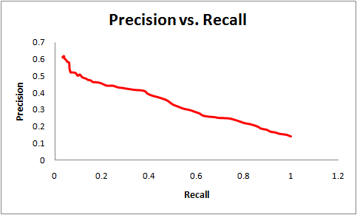
Estimated precision / recall area for this text-mining project.

Note: Precision and recall can be adjusted and dialed up and down. Let me know if you want an adjustment.

